Dashboard
ETF Portfolio Calculator
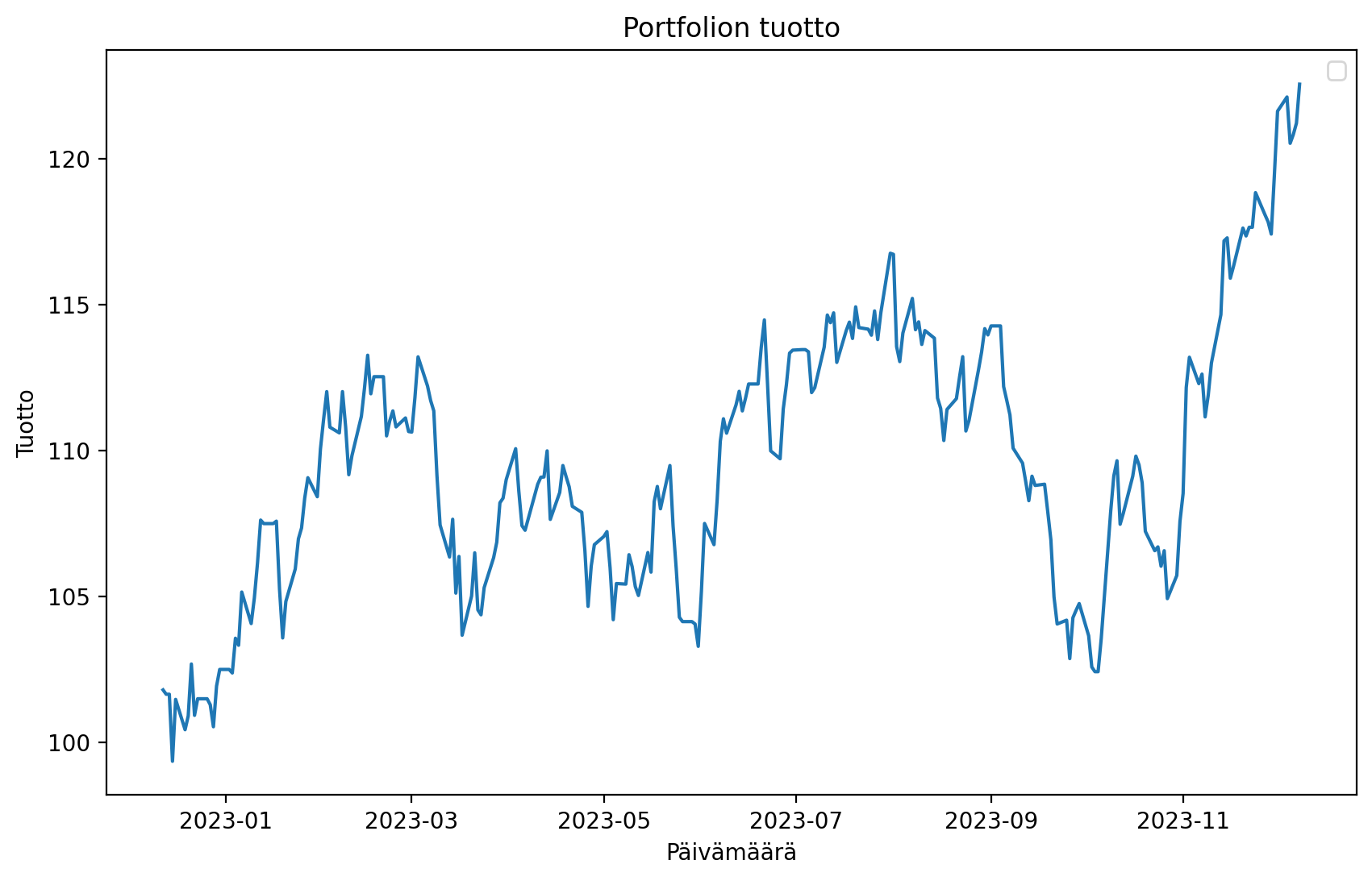
 | Paste The Tickers: |  |  |  | Ticker Finder:
 | ITA | iShares US Aerospace & Defense ETF | PCX | | | Search word: | Aero |  |  | Variance | Mean Return | Sharpe
 | PPA | PowerShares Exchange-Traded Fund Trust - PowerShares Aerospace & Defense Portfolio | PCX | | | Ticker | Name | Exchange | Portfolio
 | XAR | SPDR Series Trust - SPDR S&P Aerospace & Defense ETF | PCX | | | ITA | iShares US Aerospace & Defense ETF | PCX | TICKER
 | ITA.MX | iShares Trust - iShares U.S. Aerospace & Defense ETF | MEX | | | PPA | PowerShares Exchange-Traded Fund Trust - PowerShares Aerospace & Defense Portfolio | PCX | TICKER
 |  |  |  | | | XAR | SPDR Series Trust - SPDR S&P Aerospace & Defense ETF | PCX
 |  |  |  | | | ITA.MX | iShares Trust - iShares U.S. Aerospace & Defense ETF | MEX
 |  |  |  | |
 |  |  |  | |
 |  |  |  | |
 |  |  |  | |
 |  |  |  | |
 |  |  |  | |
 |  |  |  | |
 |  |  |  | |
 |  |  |  | |
 |  |  |  | |
 |  |  |  | |
 |  |  |  | |
 |  |  |  | |
 |  |  |  | |
 |  |  |  | |
 |  |  |  | |
 |  |  |  | |
 |  |  |  | |
 |  |  |  | |
 |  |  |  | |
 |  |  |  | |
 |  |  |  | |
 |  |  |  | |
 |  |  |  | |
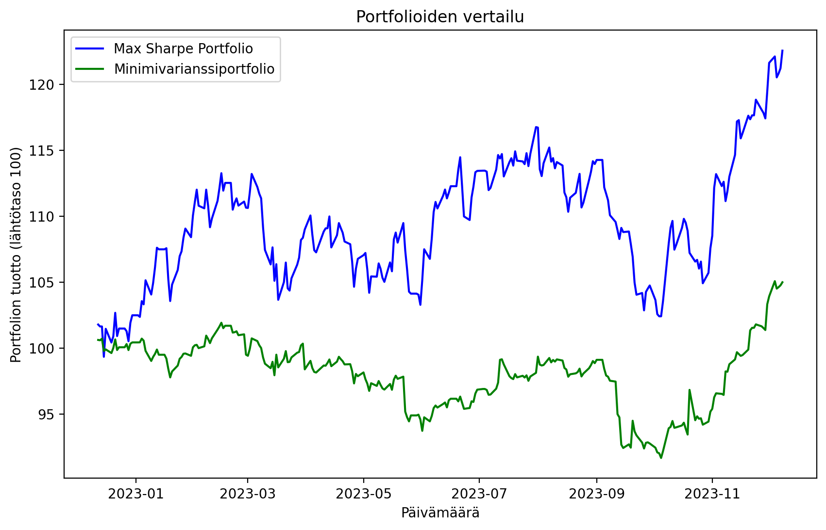
 |  |  |  | |
 |  |  |  | |
 |  |  |  | |
 |  |  |  | |
 |  |  |  | |
 |  |  |  | |
 |  |  |  | |
 |  |  |  | |
 |  |  |  | |
 |  |  |  | |
 |  |  |  | |
 |  |  |  | |
 |  |  |  | |
 |  |  |  | |
 |  |  |  | |
 |  |  |  | |
 |  |  |  | |
 |  |  |  | |
 |  |  |  | |
 |  |  |  | |
 |  |  |  | |
 |  |  |  | |
 |  |  |  | |
 |  |  |  | |
 |  |  |  | |
 |  |  |  | |
 |  |  |  | |
 |  |  |  | |
 |  |  |  | |
 |  |  |  | |
 |  |  |  | |
 |  |  |  | |
 |  |  |  | |
 |  |  |  | |
 |  |  |  | |
 |  |  |  | |

        
        
        
        
        
        
        
        
        
        
        
        
        
        
        
        
        
        
        
        
        
        
        
        
        
        
        
        
        
        
        
        
        
        
        
        
        
        
        
        
        
        
        
        
        
        
        
        
        
        
        
        
        
        
        
        
        
        
        
        
        
        
        
        
        
        
        
        
        
        
        
        
        
        
        
        
        
        
        
        
        
        
        
        
        
        
        
        
        
        
        
        
        
        
        
        
        
        
        
        
        
        
        
        
        
        
        
        
        
        
        
        
        
        
        
        
        
        
        
        
        
        
        
        
        
        
        
        
        
        
        
        
        
        
        
        
        
        
        
        
        
        
        
        
        
        
        
        
        
        
        
        
        
        
        
        
        
        
        
        
        
        
        
        
        
        
        
        
        
        
        
        
        
        
        
        
        
        
        
        
        
        
        
        
        
        
        
        
        
        
        
        
        
        
        
        
        
        
        

